PINS TEENSY
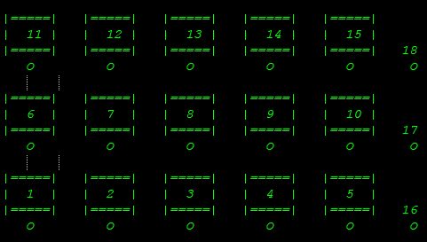
 | BUTTON | pinNumber | wire color | Multiplexer
1 Bottom | 1 |  | red | x
 | 2 |  | white | x
 | 3 |  | blue | x

 | 4 |  | black | x
 | 5 |  | yellow | x
 | 16 |  | green | x
2 Middle | 6 |  | red | x
 | 7 |  | white | x | DIGITAL CLOCK BATTERY
 | 8 |  | blue | x | VBAT
 | 9 |  | black | x | GROUND
 | 10 |  | yellow | x
 | 17 | 31 | green
3 TOP | 11 |  | red | x
 | 12 |  | white | x
 | 13 |  | blue | x
 | 14 |  | black | x
 | 15 |  | yellow | x
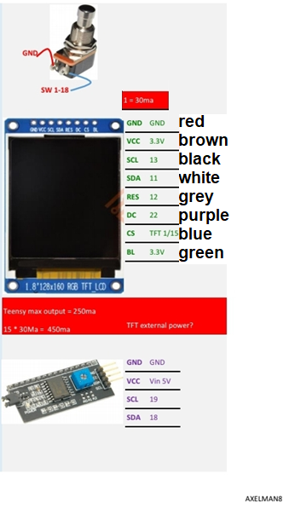
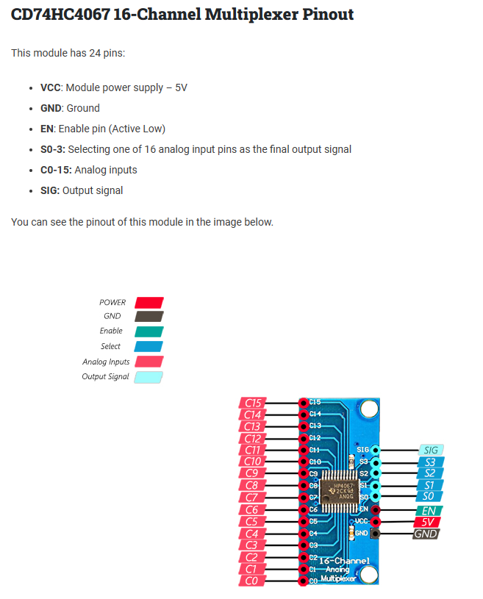
 | 18 | 32 | green
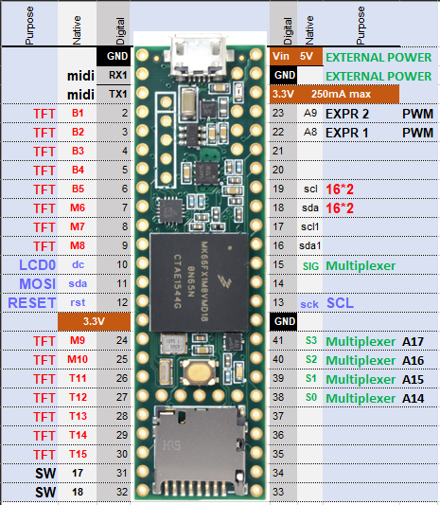

ROW | SCREENS | pinNumber | wire color
1 Bottom | 1 | 2 | red
 | 2 | 3 | white
 | 3 | 4 | blue
 | 4 | 5 | black
 | 5 | 6 | yellow
2 Middle | 6 | 7 | red
 | 7 | 8 | white
 | 8 | 9 | blue
 | 9 | 24 | black
 | 10 | 25 | yellow
3 Top | 11 | 26 | red
 | 12 | 27 | white
 | 13 | 28 | blue
 | 14 | 29 | black
 | 15 | 30 | yellow

TEENSY POWER SCHEMA
RJ45
9 VOLT
Ground
Rx pin 0
tx pin 1
USB B

EXP1
pin 22
EXP 2
pin 23
SWITCH
9VOLT OUT
RJ45
 |  |  | looking at the pins

5 VOLT buck
 |  | MIDI IN
GROUND
TO
Teensy
5V
and
Ground
TX
RX
 |  |  |  | Ground
 |  | RED |  |  | WHITE
 |  | RX + 220K |  |  | 5V + 220K
USB DATA

GND
5V
GROUNDBLOCK
8 possible entries
5 VOLT BLOCK
8 possible entries
SD CARD

5VOLT IN
9V
EXTERNAL from FASLINK

Teensy 4.1

GROUND
 |  | MIDI OUT
5VOLT connected
MIDI (rj45) + 220K
Multiplexer
3,3Volt BUCK
 |  |  |  | Ground
 |  | RED |  |  | WHITE
 |  | TX + 220K |  |  | 5V + 220K
3,3 VOLT OUT
to all TFT screens
GROUND
Routing | 9 VOLT to 5 VOLT to 3,3 VOLT

BUCK 3,3Volt
16 pin
Multiplexer
9 VOLT from the fractal FASLINK
BUCK 9 to 5 VOLT
5 VOLT to momentary POWER switch
8 point block for multiple cables 5 VOLT
8 point block for multiple cables GROUND
Connected to 5 volt
 | 16 channel Multiplexer
 | EXP 1 and 2
16 switches
connected
GROUND
5 VOLT block to 3,3 VOLT BUCK
3,3 VOLT buck to all screens

